Chapter 8
Ross, Westerfield, Jaffe, and Jordan's Spreadsheet Master
Corporate Finance, 11th edition
by Brad Jordan and Joe Smolira
Version 11.0

Chapter 8

In these spreadsheets, you will learn how to use the following Excel functions:

PRICE
YIELD
DURATION
MDURATION
COUPDAYSNC
ACCRINT
Scroll bars
HLOOKUP

The following conventions are used in these spreadsheets:

1) Given data in blue
2) Calculations in red

NOTE: Some functions used in these spreadsheets may require that
the "Analysis ToolPak" or "Solver Add-In" be installed in Excel.
To install these, click on the File tab
then "Excel Options," "Add-Ins" and select
"Go." Check "Analysis ToolPak" and
"Solver Add-In," then click "OK."

Section 8.1
 | Chapter 8 - Section 1
 | Bonds and Bond Valuation

As with any financial instrument, the price of a bond is just the present value of the future cash flows. What is the price of a bond with semiannual coupon payments and the following characteristics?

 | Coupon rate: |  | 12.00%
 | Years to maturity: |  | 16
 | Yield to maturity: |  | 9.00%
 | Par value: |  | $1,000

Since the bond has semiannual payments, the coupon payments will be:

 | Coupon payments: |  | $60.00

Now we can find the present value of the coupon payments, the present value of par, and the bond price, which are:

 | Present value of coupon payments: |  | $1,007.33
 | Present value of par: |  | 244.50
 | Bond price: |  | $1,251.83

Of course, we could have simply entered the coupon payments and par value in the same PV function, making sure that both were negative. This would give us:

 | Bond price: |  | $1,251.83

Although you can value a bond with the PV function, Excel has numerous functions that calculate bonds prices and much more. The bond price function in Excel is PRICE.

What is the price of a bond with the following characteristics?

 | Settlement date: | 2000-01-01
 | Maturity date: | 2010-01-01
 | Annual coupon rate: | 7.50%
 | Yield to maturity: | 8.40%
 | Face value (% of par): | 100
 | Coupons per year: | 2

 | Bond price (% of par): | 93.991

RWJ Excel Tip
To calculate a bond price, we can use the PRICE function as follows:
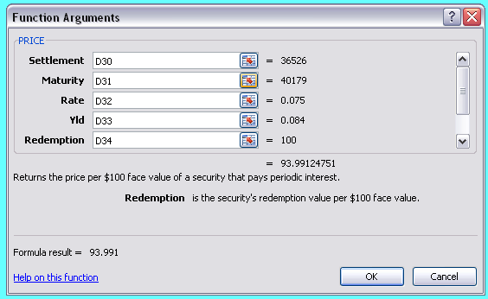

The PRICE function uses several arguments we need to explain. Notice, we had to enter 2 dates, a settlement date and a maturity date. The settlement date is the date you pay for the bond. The maturity date is the date the bond matures. In many bond problems, you may not have these dates, but rather the number of years until maturity. In this case, any 2 dates will work as long as they are the correct number of years apart. In this case, we used January 1, 2000 and January 1, 2010 as the dates for a 10-year bond since these dates are particularly easy to work with. Rate is the coupon rate of the bond and Yld is the yield to maturity of the bond. Redemption is the redemption (face, or par) value of the bond at maturity as a percentage of par. When you read further about bond quotes, bonds are often quoted as a percentage of par and Excel uses this convention. Frequency is simply the number of coupon payments per year. Notice that the value for the bond price returned by Excel is the price as a percentage of par. To return the dollar price, we could simply multiply this entire function by 10, and format the cell to include a dollar sign. Below, we have modified the function to return a dollar price for the bond.

 | Dollar price of bond: | $939.91

Settlement Date

Excel uses the Settlement Date in its bond pricing functions. The settlement date is not the date the bond is purchased, but rather the date the payment for the bond is actually made. If you purchase a Treasury bond, you will not actually pay for the bond until the next business day, while the settlement date for corporate bonds is 3 days from the date of purchase, the same time frame that is used for stock purchases.

Finding the YTM

You can use the YIELD function in Excel to calculate the yield to maturity of a bond. Suppose we have a bond with the following characteristics. What is the YTM of the bond?

 | Settlement date: | 2000-01-01
 | Maturity date: | 2016-01-01
 | Annual coupon rate: | 12.00%
 | Bond price (% of par): | 1,088.000
 | Face value (% of par): | 1,000
 | Coupons per year: | 2

 | Yield to Maturity (YTM): | 0.62%

RWJ Excel Tip
To calculate a bond's YTM, we can use the YIELD function as follows:
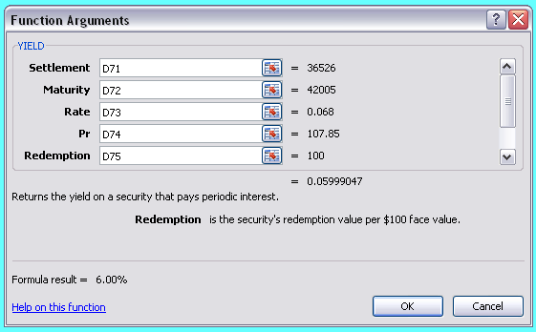

The YIELD function uses the most of the same arguments as the price function. Notice, we had to enter 2 dates, a settlement date and a maturity date. The settlement date is the date you pay for the bond. The maturity date is the date the bond matures. In many bond problems, you may not have these dates, but rather the number of years until maturity. Any 2 dates will work as long as they are the correct number of years apart. In this case, we used January 1, 2000 and January 1, 2010 as the dates for a 10-year bond since these dates are particularly easy to work with. Rate is the coupon rate of the bond and Pr is the price of the bond as a percentage of par. Redemption is the redemption (face, or par) value of the bond at maturity as a percentage of par. When you read further about bond quotes, bonds are often quoted as a percentage of par, and Excel uses this convention. Frequency is simply the number of coupon payments per year.

A Note on Bond Pricing

When you use the PRICE and YIELD function, you will notice another input, Basis. The method we used for bond pricing in the textbook and with the calculator is sometimes called the "stopped clock" bond pricing method because it is technically correct only twice per year. The two days this pricing method is correct are the days when the next coupon payment is exactly six months in the future. On other days, the price paid for the bond includes the accrued interest. We will have more to say about the Basis argument and how to use it in Section 8.3.

Interest Rate Risk

In our discussion of interest rate risk, we mentioned several factors that affect how much a bond's price will change for a change in interest rates. The factors that affect the bond's interest rate risk sensitivity are: 1) The maturity of the bond. All else the same, longer term bonds have greater interest rate risk. 2) The coupon rate. All else the same, a bond with a lower coupon rate will have greater interest rate risk. 3) The current yield to maturity. All else the same, a lower yield to maturity will result in greater interest rate risk. So how will we tell how sensitive a bond's price is to changes in interest rate when these three factors are combined? Fortunately, there is a measure of interest rate risk that accounts for all of these factors. The most common measure of interest rate risk is Macaulay duration. The calculation of Macaulay duration is beyond our discussion here, but in short, it measures the elasticity of bond price changes to changes in the interest rate. Suppose we have the following bond:

 | Settlement date: | 2000-01-01
 | Maturity date: | 2019-01-01
 | Annual coupon rate: | 6.80%
 | Yield to maturity: | 7.30%
 | Face value (% of par): | 100
 | Coupons per year: | 2

What is the Macaulay duration of this bond? Using the Excel function DURATION, we find:

 | Macaulay duration: | 10.72

RWJ Excel Tip
To calculate a bond's Macaulay duration, we can use the DURATION function as follows:
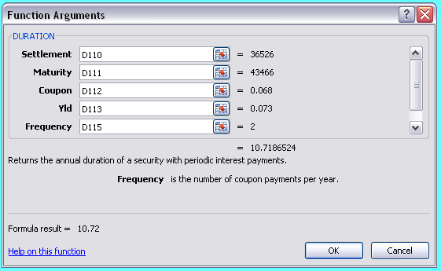

The DURATION function uses the same arguments as the price function. Settlement is the date you pay for the bond. Maturity is the date the bond matures. Coupon is the coupon rate of the bond and Yld is the bond's yield to maturity. Frequency is the number of coupon payments per year.

So how do we use the Macaulay duration? To calculate the change in a bond's price for a change in interest rates, we use the following:

 | Change in price = Current price(-Macaulay duration)(Change in interest rates / (1 + YTM/2)

This equation assumes semiannual coupon payments. If the bond makes annual coupon payments, we do not divide the YTM by 2. So what does this mean for the current bond? Suppose we expect the following change in the bond's YTM:

 | Change in YTM: | 0.50%

How will the bond's price change? Using the PRICE function, we can find the current bond price and new bond price, which are:

 | Current bond price: | $949.05
 | New bond price: | $901.75

If we use the equation for the change in the bond price using Macaulay duration, we find the new bond price will be:

 | Change in bond price: | $(49.07)
 | New bond price: | $899.97

As you can see, the Macaulay duration does not exactly predict the change in the bond's price, but it is a close approximation. Macaulay duration is more effective at predicting the bond price change for small changes in interest rates; for larger interest rate changes, Macaulay duration is less accurate. Since you can exactly calculate the change in a bond's price for a new YTM, what is the advantage of Macaulay duration? One of the biggest advantages is the Macaulay duration of a portfolio of bonds is simply the weighted average of the bonds in the portfolio. So, you can tell how a bond portfolio will change in value for a given interest rate change. If you are unfamiliar with calculating weighted averages and portfolios, we will have more to say about both topics in Chapter 11. There is another type of duration, namely modified duration. Again, we will skip the calculation of modified duration and simply use Excel to calculate the modified duration, Doing so, we find the modified duration is:

 | Modified duration: | 10.34

To calculate the change in the bond's price using modified duration, we use the following equation:

 | Change in price = Current price(−Modified duration)(Change in interest rates)

So, with modified duration, the predicted new bond price is:

 | Change in bond price: | $(49.07)
 | New bond price: | $899.97

Notice that the estimated new bond price for both Macaulay duration and modified duration are the same. This will always happen since the modified duration is calculated as:

 | Modified duration = Macaulay duration / (1 + YTM/2)

When we calculate the change in the bond price using modified duration, we simply do not divide by (1 + YTM/2). Practitioners often prefer to use modified duration since it allows for a quick estimate of a bond price change using "back of the envelope" calculations.

RWJ Excel Tip
To calculate a bond's modified duration, we can use the MDURATION function as follows:
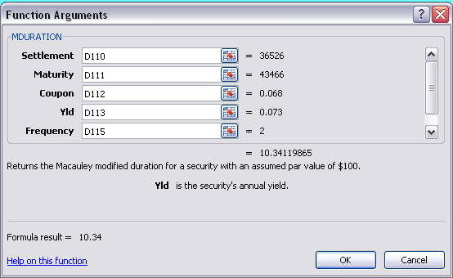

The MDURATION function uses exactly the same arguments as the DURATION function, but calculates the modified, rather than Macaulay, duration.

Just to clear up a point that can confuse students: Duration is not the same as maturity, but is the price elasticity of the bond to changes in interest rates. Duration is related to maturity since, all else the same, a longer term bond will have a higher duration. To give you an example of how duration and maturity differ, consider a perpetuity. A perpetuity has no maturity, but the duration of a perpetuity is: Duration of a perpetuity = (1 + R)/R So, if we have the following interest rate:

 | Interest rate: | 8.00%

The duration of any perpetuity is:

 | Duration of perpetuity: | 13.50

The only time the duration of a bond and the maturity are the same is the case of a zero coupon bond, where the duration is equal to the maturity. To show the difference between maturity and duration, suppose we have the following coupon rate and yield to maturity bond:

 | Annual coupon rate: | 6.80%
 | Yield to maturity: | 7.30%
 | Settlement date: | 2000-01-01
 | Coupons per year: | 2

What is the duration of the bond for different maturities? Below, we calculated the duration for each maturity and then graphed the results.

 | Maturity date: | 2001-01-01 | 2007-01-01 | 2013-01-01 | 2018-01-01 | 2020-01-01 | 2025-01-01 | 2030-01-01 | 2035-01-01 | 2040-01-01
 | Maturity (years): | 1 | 7 | 13 | 18 | 20 | 25 | 30 | 35 | 40
 | Macaulay duration: | 0.984 | 5.663 | 8.732 | 10.445 | 10.973 | 11.993 | 12.694 | 13.175 | 13.503

Macaulay Duration

As you can see from this graph, duration is close to the maturity for short maturity bonds, but duration increases at a decreasing rate as maturity increases.

RWJ Excel Tip
Notice that we have the horizontal axis at intervals of five years, beginning at zero and ending at 40 even though the data for the horizontal axis is different from this scale. We chose this range by selecting the horizontal axis and going to "Format Axis" then "Axis Options." However, you cannot change the scale of a horizontal axis on a line chart, but rather must use an XY scatter plot.

Section 8.3
 | Chapter 8 - Section 3
 | Bond Markets

How many days are there between July 17th and September 1st? When you are dealing with bond prices, the answer depends on who issued the bond! We discussed the a method for calculating the accrued interest on a bond, but in actuality, there are 6 methods for counting the number of days between the time a bond is purchased and the next coupon payment. Excel does not include the calculation for one of the methods, so we are left with 5 different methods for counting the number of days before the next coupon payment. The 5 day count methods used by Excel and the corresponding inputs are:

 | Basis | Day Count Basis
 | 0 or omitted | US (NASD) 30/360
 | 1 | Actual/Actual
 | 2 | Actual/360
 | 3 | Actual/365
 | 4 | European 30/360

In the United States, accrued interest for Treasury bonds is calculated using the Actual/Actual method, while corporate bonds, Federal agency bonds, and municipal bonds use the US (NASD) 30/360 method, so we will concentrate on these 2 methods. The Actual/Actual day count method is relatively simple since you only need to count the number of days, while the US (NASD) 30/360 day count method is somewhat more complicated. If you are not interested in the calculations behind these methods, skip the next section.

US (NASD) 30/360 Day Count
We need to introduce the notation we will use first, namely the dates for the settlement and next coupon, which are:

 | Settlement: D1/M1/Y1
 | Next coupon: D2/M2/Y2

To count the number of days for the US (NASD) 30/360 method, the following conventions apply:

 | If D1 = 31, change to 30.
 | If D2 = 31 and D1 = 30 or 31, change D2 to 30, otherwise leave D2 at 31.

The number of days is then calculated as:

 | 360(Y2 - Y1) + 30(M2 - M1) + (D2 - D1)

Suppose we have the following bond:

 | Settlement date: | 2008-07-17
 | Coupon date: | 2014-03-01
 | Coupons per year: | 2

What are the number of days until the next coupon payment using an Actual/Actual day count? What about a US (NASD) 30/360 day count?

Since bonds pay interest every 6 months, the coupon dates will be September 1 (the maturity date) and March 1. The number of days before the next coupon payment are:

Actual/Actual day count

 | July 17 to July 31 | 14 days
 | August | 31 days
 | September | 1 day
 | Total days | 46 days

Since the US (NASD) 30/360 day count method assumes 30 days in a month, the number of days under this convention would be:

 | July 17 to July 31 | 13 days
 | August | 30 days
 | September | 1 day
 | Total days | 44 days

Of course, Excel has a function to count the days:

 | Actual/Actual day count | 46
 | US (NASD) 30/360 day count | 44

RWJ Excel Tip
To have Excel automatically calculate the number of days before the next coupon payment, we can use the COUPDAYSNC function. The inputs we used for the Treasury bond are:
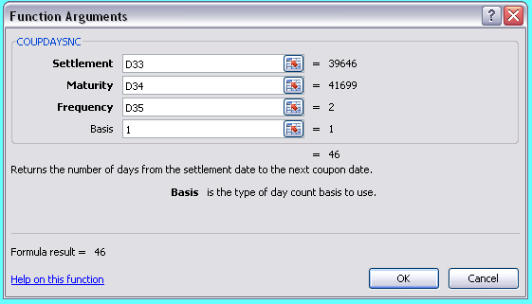

To find the number of days until the next coupon payment for a corporate bond, we simply used "0" as the Basis.

Clean and Dirty Pricing

Suppose we have the following corporate bond:

 | Issue date: | 2005-03-15
 | First coupon date: | 2005-09-15
 | Maturity date: | 2035-03-15
 | Settlement date: | 2009-06-01
 | Last coupon date: | 2009-03-15
 | Next coupon date: | 2009-09-15
 | Coupon rate: | 8.00%
 | Yield to maturity: | 7.30%
 | Par value (% of par) | 100
 | Par value ($ value) | $1,000
 | Coupons per year: | 2

Using the Excel bond price function, we can find the price of the bond as:

 | Bond price: | $1,080.62

Using the PRICE function in Excel returns the clean price. To find the invoice, or dirty, price, we need to calculate the accrued interest. Excel has a function that calculates the accrued interest. Using ACCRINT, we find the accrued interest is:

 | Accrued interest (incorrect): | $336.89

Obviously this number is too high. When you allow computer programmers to program financial functions, you often get errors, which is what we get in this case. First, ACCRINT requires the par value in dollars, not a percent of par, which is different from the price function. Second, the accrued interest in this function is the total accrued interest since the bond was issued, a relatively unimportant number. To get the ACCRINT function to work properly, we will have to adjust the inputs. For the Issue date, we can use the date the last coupon payment was made, and the First_interest date is the date of the next coupon payment. Using these adjustments, we find the accrued interest is:

 | Accrued interest (correct): | $16.89

The dirty price is the clean price, plus accrued interest, or:

 | Dirty price: | $1,097.51

RWJ Excel Tip
To have Excel automatically calculate the accrued interest, we can use the ACCRINT function. The inputs we used for the corporate bond are:

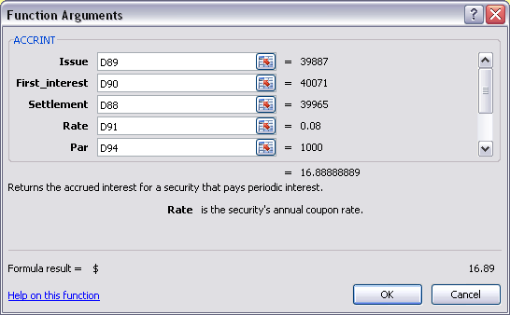

Notice, because of the way the programmers created the function, we had to "adjust" the dates we entered to get the accrued interest since the last coupon payment. The Issue date is the date of the last coupon payment, First_interest is the date of the next interest payment, and the Settlement date is the settlement date of the bond. Although this function does have an option Calc_method that will allow you to calculate the accrued interest since the bond issuance or the last coupon date, the option does not correctly calculate the accrued interest since the last coupon date.

Section 8.5
 | Chapter 8 - Section 5
 | Determinants of Bond Yields

Figure 8.8 in the textbook shows a current Treasury yield curve, as well as the yield curve for last month and last year. Of course, we would like to see how the Treasury yield curve has changed over time. To do this, we can create a dynamic graph. On the next worksheet you will find the yield to maturity for different Treasury issues back to May 1953 which we gathered from the St. Louis Federal Reserve FRED® database. Notice that there is a lot of missing data in this table. The reason is because of different funding requirements for the U.S. Treasury. For example, the U.S. Treasury didn't begin issuing 30-year Treasury bonds until February 1977, but then discontinued issuing these bonds in February 2002. Because of additional long-term funding needs and market demand for long-term Treasury bonds, it re-introduced the 30-year bond in February 2006. Below, you will see a dynamic graph of the Treasury bond yield curve. If you click on the up or down arrow in the scroll bar located rows 7 and 8, the graph will automatically move forward or backward in time one month at a time. Of course, if you would like to move more quickly, you can grab the scull bar in the middle and drag it. The date above the graph shows you the month and year represented in the graph. Constructing such a dynamic yield curve is relatively intensive. If you look below, you will see how we did this. One thing you will notice is that as you hold one of the arrows and scroll forward or backward through time, the date changes, but the graph does not until you release the mouse key. What we would really like to see is for the graph to change immediately as well. While this is possible, this task is even more intensive. We will show you how to do this when we discuss option valuation in a later chapter.

 |  |  |  |  | Month/Year: | Oct-14
Dynamic U.S. Yield Curve

 | Counter: | 739

 | Maturity (years): | 0.0833 | 0.25 | 0.50 | 1 | 2 | 3 | 5 | 7 | 10 | 20 | 30
 | Yield to Maturity: | 0.02% | 0.02% | 0.05% | 0.10% | 0.45% | 0.88% | 1.55% | 1.98% | 2.30% | 2.77% | 3.04%

RWJ Excel Tip
To begin, we need to set up the scroll bar. We went to the Developer tab, then clicked "Insert," then selected the scroll bar we liked under "Form Controls." This will bring up a "+" symbol which will allows you to adjust the scroll bar size. Once you create the scroll bar, put the mouse over the scroll bar, right-click the mouse, and select "Format Control" from the menu. This brings up a box that looks like this:
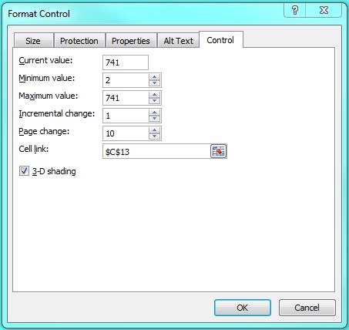

Format control allows us to set the parameters of how the scroll bar will operate. We have the yield to maturity of the different bonds in a table. To have Excel grab the correct month, we are going to use HLOOKUP to go to the table and grab the correct month by counting down from the first row in the table. The current value is the value we want the scroll bar to start at. We need to set this value between the minimum and maximum value we will set later. We set the minimum value to 2 since we will never want output from the first row of the table. The maximum is 706, the last row of the table. If we set this number below 706, say 400, it will not allow us to graph the yield curve below the 400th month. If we set the maximum value for greater than 706, every entry will be zero. The incremental change is the increment that we want the counter to change by. In this case, we want the counter to increase by one, but in a later chapter we will use decimals for the incremental change. Finally, we have a linked cell, in this case cell C13. The linked cell shows the output for the spinner. Notice, when you click the scroll bar, this cell changes, which ultimately is the cell that changes the output and graph. Notice that the number is purple. The reason for this is that it is an output from the scroll bar, but the output is unique in that you can manually change it without changing anything else. For instance, if you type 45 in this cell, it will go to December 1956, the 45th row of the data, but it will not affect the future use of the scroll bar. Typically, if you overwrite an output cell, the new value you entered will be static.

In cell G10, we have the month displayed. To do this, we used HLOOKUP, which is similar to the VLOOKUP we used in Chapter 2 to compute the average and marginal tax rates. HLOOKUP looks up the number from the row in a column of data. The HLOOKUP function is located under the Lookup & Reference functions. The syntax we used looks like this:
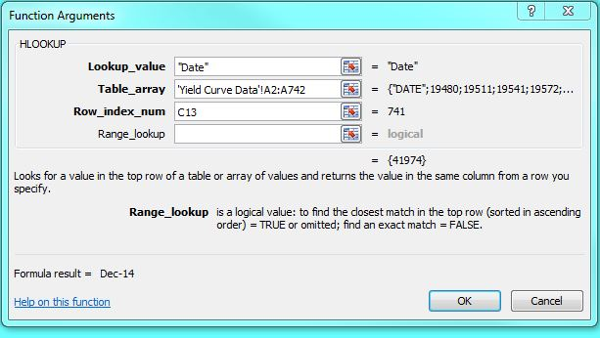

The Lookup_value is the column header we want the function to lookup the correct cell row. In this case, we want the date column. Notice we enclosed "Date" in quotation marks since it is a text variable. Table_array is the data array we want the function to search, which is the data in the next sheet. We included all of the data, including the header row. Finally, Row_index_num is the row from which we want the resulting value returned. For this, we used the counter value that is returned by the scroll bar. As the scroll bar increases the counter, the counter number increases, which results in a more recent month.

Next, we need to create a data table on this sheet that will return just the yields of the different Treasuries for the month the counter is displaying in the month cell. The first row of our table located in rows 37 and 38 shows the maturity in years for all Treasury maturities over this period. At first glance, it would seem that we could use a simple HLOOKUP to return the YTM for each maturity like we did for the month. Unfortunately, it is not this simple. Since 1955, the Treasury has issued bonds with 1-month, 3-month, 6-month, 1-, 2-, 3-, 5-, 7-, 10-, 20-, and 30-year maturities. During this period, many of these maturities have been discontinued for some periods, which results in no available data for that maturity when the Treasury was not issuing a particular maturity. If we use the HLOOKUP function, it will return a value of 0.00% for any month that there is not a YTM available for a particular maturity. This 0.00% YTM will be reflected in the graph. Because of this, we need to use more than a basic HLOOKUP function.

If you look at cell M38, which returns the YTM for a 30-year Treasury, you will see the following HLOOKUP functions nested inside an IF function:

 | =IF(HLOOKUP(M37,'Yield Curve Data'!$A$2:$L$742,$C$12)>0.00001,HLOOKUP(M37,'Yield Curve Data'!$A$2:$L$742,$C$12),NA())

The IF statement is using HLOOKUP to find a value in the first row of the data table on the Yield Curve data sheet that matches cell M37, which is 30, for a 30-year maturity. If this value is greater than 0.00001 (0.001%), the argument is true. In the true argument, we have the IF statement return the yield to maturity from the appropriate column and row. If the IF argument is false, in other words the data is missing, the value returned will be #NA. This indicates that the data is missing. While this may seem a bit superfluous, we need this extra step so the graph will display properly since 0.00% is not returned for missing data.

Finally, we inserted an XY scatter plot. Using the XY scatter plot rather than a line graph means that the horizontal axis will be based on constant values. In this case, size of the gap between the each numeric value on the graph is 5 (years).

